1. Title Page
Grocery Basket Analysis

Project Name: Grocery Basket Analysis
Date: 04/07/2024
Analyst Name: Víctor A. Gallardo

Contents:
Population Flow
Consistency checks
Wrangling steps
Column derivations
Visualizations
Recommendations

2. Population Flow
Title page

Population flow

Exclusion flag
Condition: max_order <
Obervations to be removed:
Final total count of order_products_all:

Orders_products_combined
Orders_products_merged
Orders_products_final

Total: 32.399.732
Total: 32.434.489
Total: 30.959.687

1.) The grey boxes in the first row of the population flow represent the original data sets as they were when you downloaded them. In the Total fields you need to add the count of the rows when you imported the data set into Jupyter.
2.) The second row of boxes (coloured) represents the data sets after you manipulated them, e.g., removed missing values and duplicates. In the Total fields you need to add the count of the rows after conducting these operations. This offers a visual oveview of how the data flows throughout the data consistency checks.
3.) The third row, where also the arrows are coloured, represents the merges you performed between the datasets. In the Total fields you need to add the count of the rows in the merged datasets, so that you end up with the final dataset (in the red box). Keep in mind the final dataset should be without exclusions (based on the exclusion flag).

3. Consistency checks
 |  |  |  | Title page
Consistency checks

Dataset | Missing values | Missing values treatment | Duplicates
orders | 206209 observations in 'days_since_last_order' | Imputed with 0 since these missing values indicate the first order, and 0 is the actual number of days since the last order. Also, created a flag variable 'is_first_order' if necessary.
products | 16 observations in 'product_name | Removed | 5 duplicates removed
orders_products_prior
customers | 11259 observations in 'first_name' | Imputed with 'No name'

4. Wrangling steps
 |  |  |  |  | Title page
Wrangling steps

Data Set | Columns dropped | Columns renamed | Columns' type changed | Comment/Reason
orders.csv | eval_set' |  |  | Not necessary
 |  | order_dow' to 'orders_day_of_week'. |  | Easier reading
 |  | days_since_prior_order' to 'days_since_last_order' |  | Easier reading
 |  |  | order_id' [integer to string] | Not necessary for analysis
 |  |  | user_id' [integer to string] | Not necessary for analysis

customers.csv |  | First Name' to 'first_name' |  | Easier reading/Standarize
 |  | Surnam' to 'last_name' |  | Easier reading/Standarize
 |  | Gender' to 'gender' |  | Easier reading/Standarize
 |  | STATE' to 'state' |  | Easier reading/Standarize
 |  | Age' to 'age' |  | Easier reading/Standarize
 |  | n_dependants' to 'dependants' |  | Easier reading/Standarize
 |  | fam_status' to 'marital_status' |  | Easier reading/Standarize

ords_prods_merge.pkl |  |  | product_id' [int64 to int32] | Save on memory
 |  |  | aisle_id' [int64 to int 16] | Save on memory
 |  |  | department_id' [int64 to int16] | Save on memory
 |  |  | prices' [float64 to float16] | Save on memory
 |  |  | order_id' [int64 to int32] | Save on memory
 |  |  | user_id' [int64 to int32] | Save on memory
 |  |  | order_number' [int64 to int16] | Save on memory
 |  |  | orders_day_of_week [int64 to int16] | Save on memory
 |  |  | order_hour_of day [int64 to int16] | Save on memory
 |  |  | days_since_last_order [float64 to float32] | Save on memory
 |  |  | add_to_cart_order [int64 to int16] | Save on memory
 |  |  | reordered' [int64 to int16] | Save on memory
 |  |  | price_range_loc' [object to category] | Save on memory
 |  |  | busiest_day' [object to category] | Save on memory
 |  |  | busiest_days' [object to category] | Save on memory
 |  |  | busiest_period_of_day' [object to category] | Save on memory
 |  |  | max_order [int64 to int16] | Save on memory
 |  |  | average_spend' [float64 to float16] | Save on memory
 |  |  | spending_flag' [object to category] | Save on memory
 |  |  | customer frequency' [float64 to float16] | Save on memory
 |  |  | frequency_flag' [object to category] | Save on memory

orders_products_customers_merge.pkl | first_name' |  |  | PPI data
 | last_name' |  |  | PPI data
 |  |  | loyalty flag' [object to category] | Save on memory
 |  |  | gender' [object to category] | Save on memory
 |  |  | age' [int64 to int16] | Save on memory
 |  |  | dependants' [int64 to int16] | Save on memory
 |  |  | marital_status' [object to category] | Save on memory
 |  |  | income' [int64 to int32] | Save on memory
 |  |  | region' [object to category] | Save on memory

5. Column derivations
 |  |  |  | Title page

Column derivations and aggregations

Dataset | New column | Column/s it was derived from | Conditions
orders_checked | is_first_order | days_since_last_order | boolean variable shows
 |  |  | True if value in 'days_since_last_order' is 0 and 'order_number' is 1
 |  |  | False if otherwise
ords_prods_merge.pkl | price_range_loc | prices | string variable shows
 |  |  | Low-range product if prices is <=5
 |  |  | Mid-range product if prices is between 15 and 5;
 |  |  | High-range product if prices is > 15
 | busiest_day | orders_day_of_week | string variable shows
 |  |  | Busiest day if orders_day_of_week is 0 (Saturday)
 |  |  | Least busy if orders_day_of_week is 4 (Wednesday
 |  |  | Regularly busy if otherwise
 | busiest_days | orders_day_of_week | string variable shows
 |  |  | Busiest day if orders_day_of_week is 0 (Saturday) or 1 (Sunday)
 |  |  | Least busy if orders_day_of_week is 4 (Wednesday) or 3 (Tuesday)
 |  |  | Regularly busy if otherwise
 | busiest_period_of_day | order_hour_of_day | string variable shows
 |  |  | Most orders if order_hour_of_day is 10, 11, 14, 15, 13, 12, 16 or 9
 |  |  | Average orders if order_hour_of_day is 17, 8, 18, 19, 20, 7, 21, 22
 |  |  | Fewest orders if otherwise
 | loyalty_flag | max_order | string variable shows
 |  |  | Loyal customer if max_order is > 40
 |  |  | Regular customer if max_order is <= 40 and >10
 |  |  | New customer if max_order is <= 10
 | spending_flag | average_spend | string variable shows
 |  |  | Hig spender if average_spend is >= 10
 |  |  | Low spender if otherwise
 | customer_frequency | days_since_last_order | string variable shows
 |  |  | Non-frequent customer if days_since_last_order is > 20
 |  |  | Frequent customer if days_since_last_order is <= 10
 |  |  | Regular customer if otherwise
orders_products_customers_merge.pkl | region' | state' | string variable shows
 |  |  | Northeast if state is 'Connecticut', 'Maine', 'Massachusetts', 'New Hampshire', 'Rhode Island', 'Vermont', 'New Jersey', 'New York', 'Pennsylvania'
 |  |  | Midwest if state is 'Illinois', 'Indiana', 'Michigan', 'Ohio', 'Wisconsin', 'Iowa', 'Kansas', 'Minnesota', 'Missouri', 'Nebraska', 'North Dakota', 'South Dakota'
 |  |  | South if state is 'Delaware', 'Florida', 'Georgia', 'Maryland', 'North Carolina', 'South Carolina', 'Virginia', 'District of Columbia', 'West Virginia', 'Alabama', 'Kentucky', 'Mississippi', 'Tennessee', 'Arkansas', 'Louisiana', 'Oklahoma', 'Texas'
 |  |  | West if state is 'Arizona', 'Colorado', 'Idaho', 'Montana', 'Nevada', 'New Mexico', 'Utah', 'Wyoming', 'Alaska', 'California', 'Hawaii', 'Oregon', 'Washington'
 | low_activity_customer | max_order | boolean variable shows
 |  |  | True if max_order is < 5
 |  |  | False if otherwise
instacart_final.pkl | customer_profile | age, income, dependants, department_id, orders_day_of_week and order_hour_of_day | string variable shows
 |  |  | Young Adult if age between 18 and 25, and dependants = 0
 |  |  | Adult if age between 25 and 60 and dependants = 0
 |  |  | Young Parent if age between18 and 40; income > 50000: dependants between 1 and 2; and department_id is 18
 |  |  | Senior if age >= 60
 |  |  | Family if age between 30 and 60; income > 50000 and dependents is 2 or 3
 |  |  | Low Income Young Adult if age is < 30 and income < 30000
 |  |  | Weekend Shopper if orders_day_of_week is between 0 or 1
 |  |  | Morning Shopper if order_hour_of_day is between 6 and 12
 |  |  | Afternoon Shopper if order_hour_of_day is between 12 and 18
 |  |  | Evening Shopper if order_hour_of_day is between 18 and 24
 |  |  | Other if otherwise

6. Visualizations
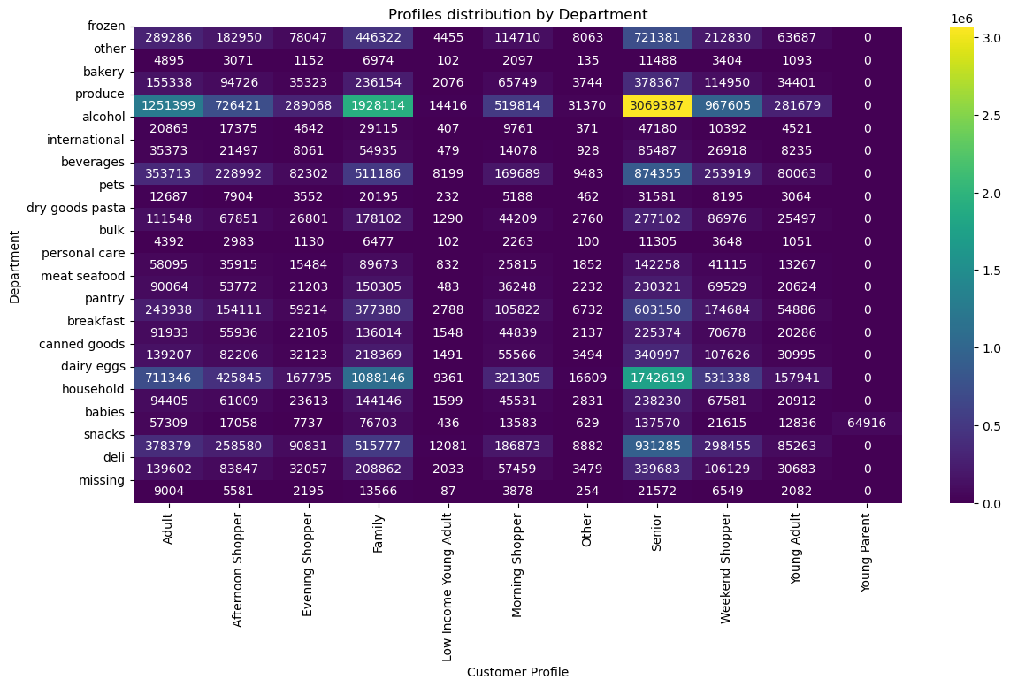
Title page

Visualisations

Key Questions

● The sales team needs to know what the busiest days of the week and hours of the day are (i.e., the days and times with the most orders) in order to schedule ads at times when there are fewer orders.

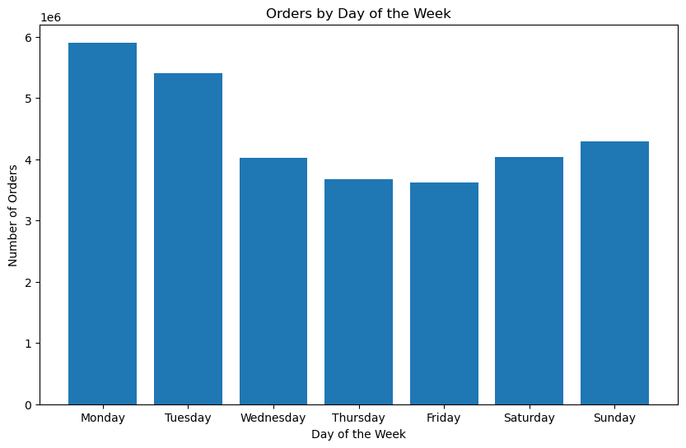
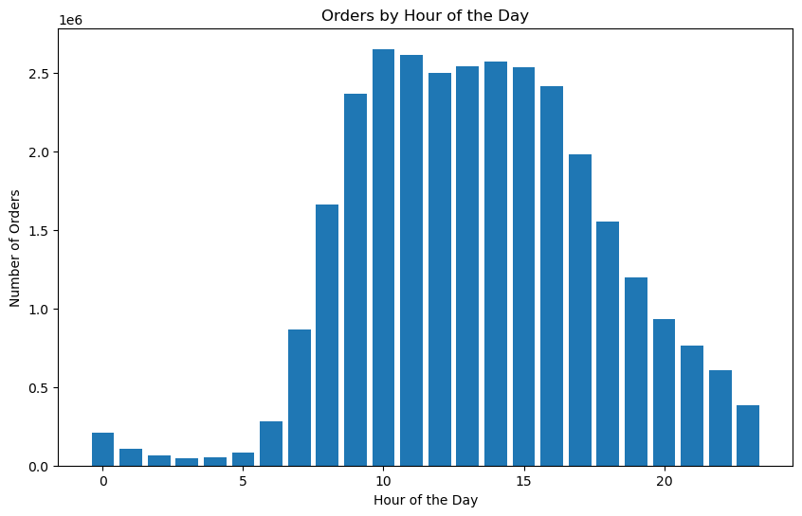

● They also want to know whether there are particular times of the day when people spend the most money, as this might inform the type of products they advertise at these times.

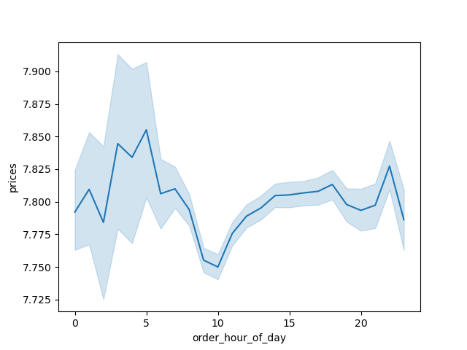

● Are there certain types of products that are more popular than others? The marketing and sales teams want to know which departments have the highest frequency of product orders.

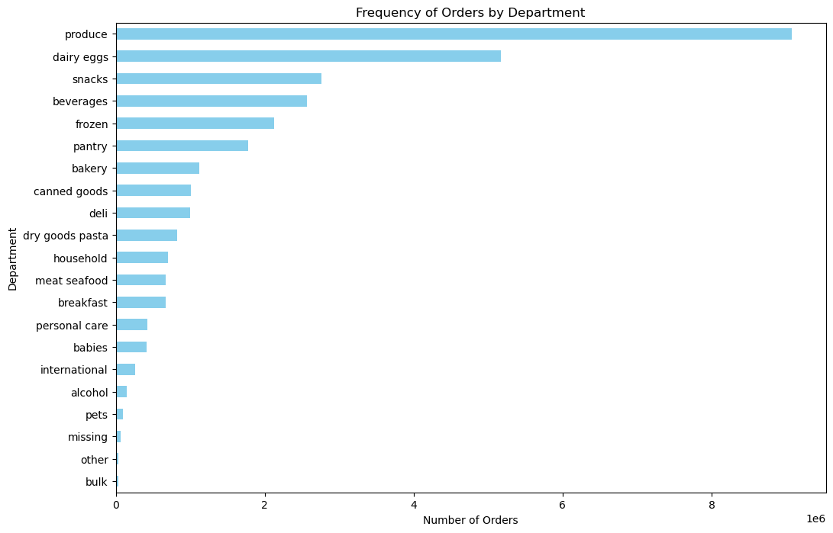

○ Are there differences in ordering habits based on a customer’s loyalty status?

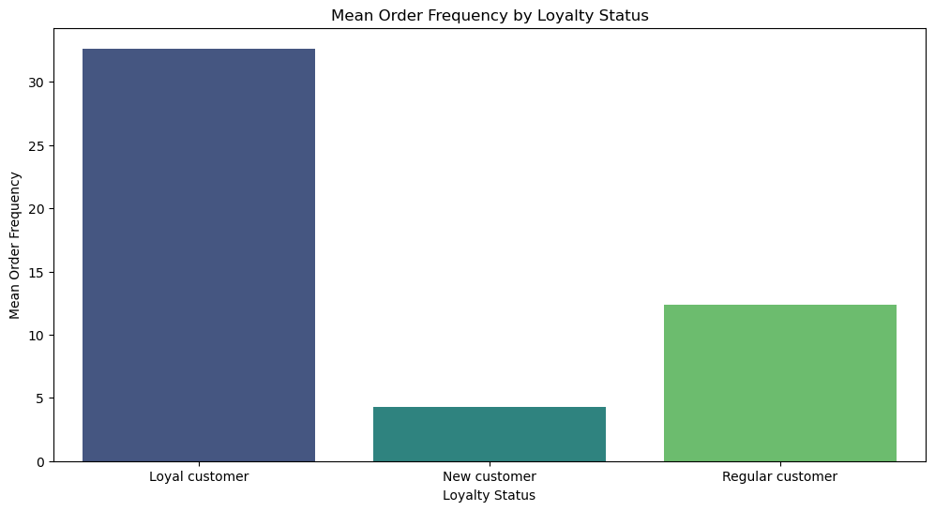

○ What’s the distribution among users in regards to their brand loyalty (i.e., how often do they return to Instacart)?

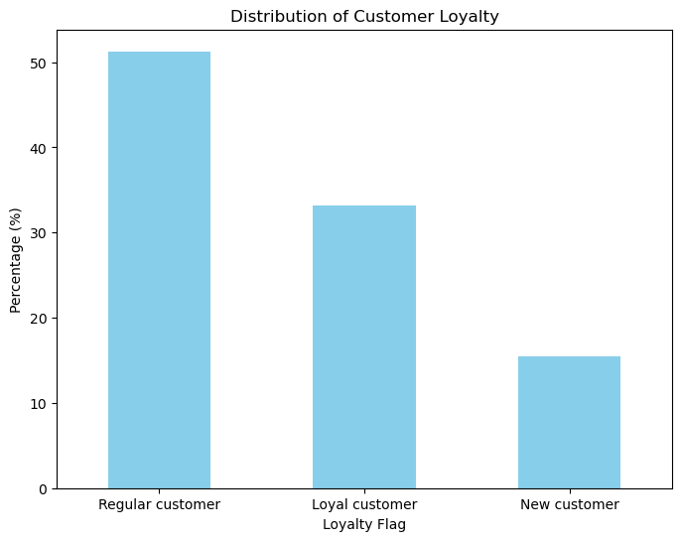

○ Are there differences in ordering habits based on a customer’s region?
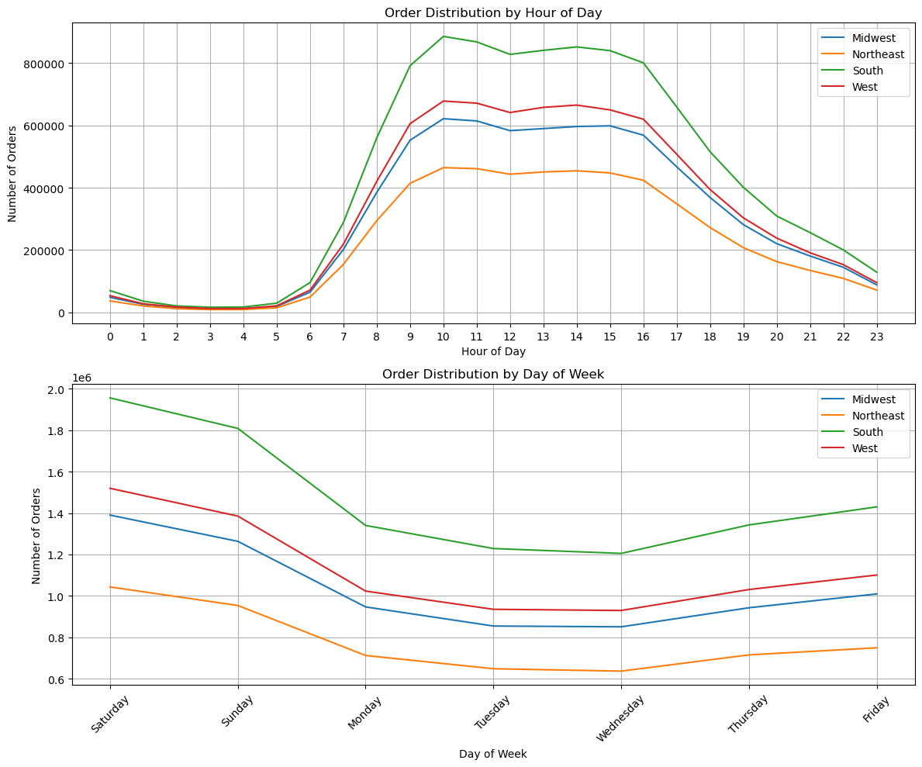

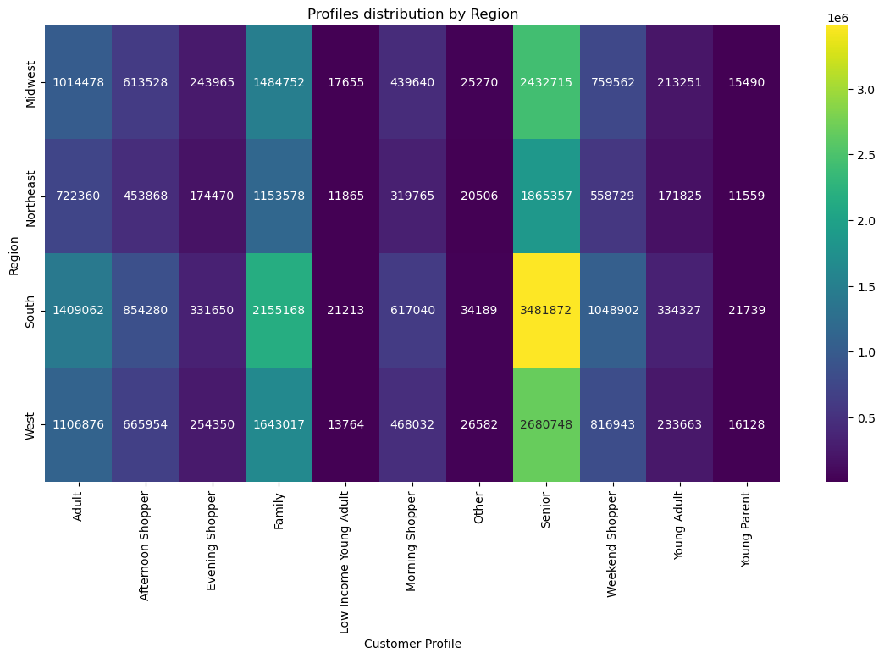

○ Is there a connection between age and family status in terms of ordering habits?

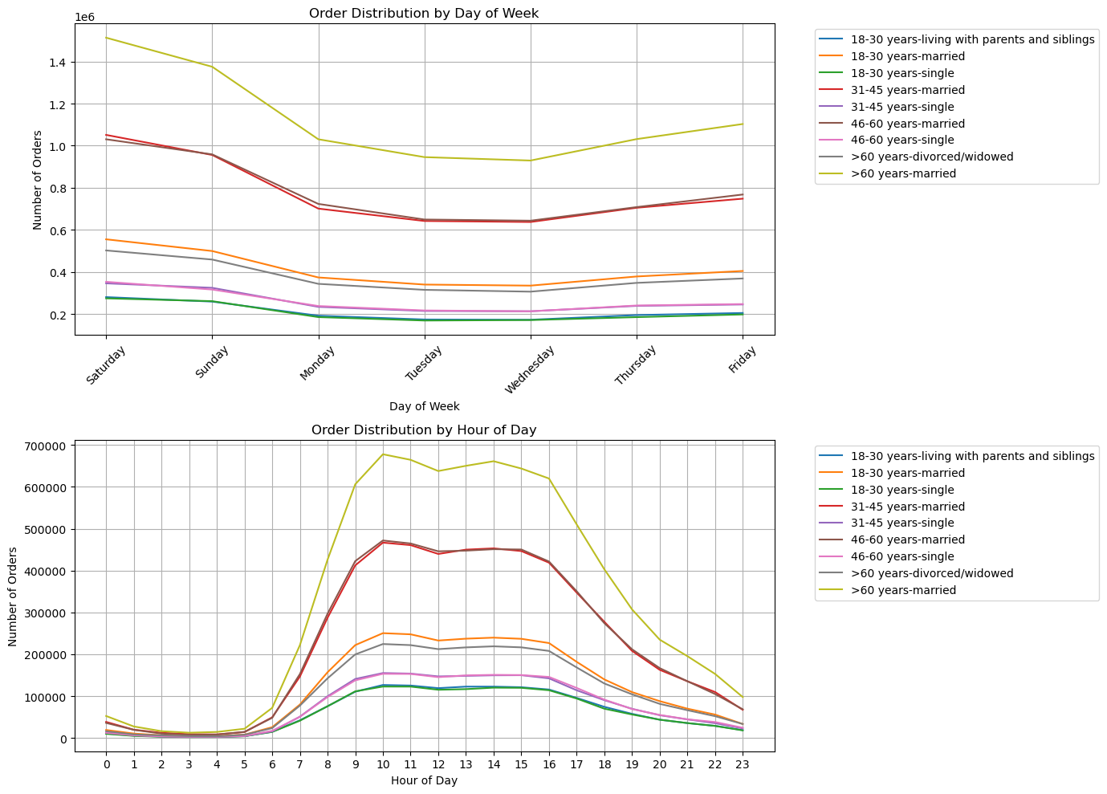

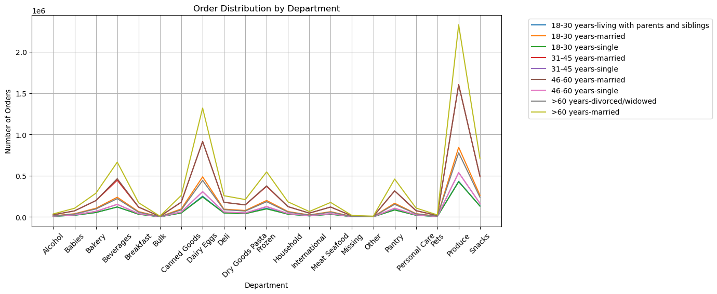

○ What differences can you find in ordering habits of different customer profiles? Consider the price of orders, the frequency of orders, the products customers are ordering, and anything else you can think of

7. Recommendations
 |  |  | Title page

Recommendations

Question | Answer | Recommendation

The sales team needs to know what the busiest days of the week and hours of the day are (i.e., the days and times with the most orders) in order to schedule ads at times when there are fewer orders. | Saturdays and Sundays are the busiest days, followed by a decline towards Tuesdays and Wednesdays, which are the quietest days, before increasing again towards the weekend. The busiest time slots are from 10:00 AM to 4:00 PM, with a gradual decline towards the night and a more pronounced rise starting at 7:00 AM. | Consider adjusting ad scheduling to increase visibility during peak activity times, especially on weekends and during peak hours between 10:00 AM and 4:00 PM, to maximize exposure to potential customers

They also want to know whether there are particular times of the day when people spend the most money, as this might inform the type of products they advertise at these times. | Expensive products are predominantly sold during the night, peaking around 5 AM, then declining until 10 AM, where they stabilize and experience gradual growth until the evening. | Consider adjusting marketing strategies to highlight high-value products during late-night and early-morning hours, maximizing sales opportunities during these identified peaks.

Are there certain types of products that are more popular than others? The marketing and sales teams want to know which departments have the highest frequency of product orders | Products are, by far, the best-selling items, followed by dairy and eggs, which represent a significant portion. Further behind are snacks, beverages, frozen items, and pantry goods. These are the top six departments. | Focus marketing efforts on promoting products and dairy/egg items, as they are the top sellers. Additionally, consider developing targeted promotions for snacks, beverages, frozen items, and pantry goods to boost their sales further.

What’s the distribution among users in regards to their brand loyalty (i.e., how often do they return to Instacart)? | Regular customers account for 51.3% of users, followed by loyal customers at 33.2%, and new customers at 15.5%. | Implement loyalty programs or personalized incentives to retain regular and loyal customers, and develop onboarding strategies to convert new customers into repeat buyers.

Are there differences in ordering habits based on a customer’s loyalty status? | There are no significant differences beyond the frequency of orders based on a customer's loyalty status. | Explore ways to enhance customer engagement across all loyalty statuses by tailoring promotions and personalized recommendations based on individual purchasing behaviors, aiming to increase overall order frequency and customer satisfaction.

Are there differences in ordering habits based on a customer’s region? | According to hours or days of the week, there are no differences. Family and senior profiles are the most numerous in all regions, but they are more concentrated in the South and West compared to other profiles that are more evenly distributed. | Consider region-specific marketing campaigns that highlight products or services tailored to the preferences and demographics of family and senior profiles, especially in the South and West regions. This targeted approach can potentially enhance customer engagement and satisfaction in these areas.

Is there a connection between age and family status in terms of ordering habits? | There are no significant differences found regarding the connection between age and family status in terms of ordering habits. | Despite the lack of significant differences, continue to monitor and analyze demographic data to identify potential trends or opportunities for targeted marketing efforts. Consider conducting periodic surveys or gathering feedback to better understand customer preferences and behaviors across different age groups and family statuses.

What differences can you find in ordering habits of different customer profiles? Consider the price of orders, the frequency of orders, the products customers are ordering, and anything else you can think of. | There are no significant differences found in ordering habits across different customer profiles, beyond expected variations such as higher popularity of snacks on weekends or preference for baby and personal care products among families. Deli and breakfast items consistently perform well across all profiles. | Despite the overall consistency, consider conducting deeper analysis into specific customer segments to uncover nuanced preferences or seasonal trends that could inform targeted marketing strategies. Utilize customer feedback and purchase data to refine product offerings and promotional efforts tailored to different customer profiles, enhancing overall customer satisfaction and engagement.

